Blad1
Picture | Item | EAN | QTY | Price | Total
 | Philips LEDclassic 40 W, E14, Warm White (2700K) | 8718696575277 | 2,273 | € 1.40 | € 3,182.20
 | LED Classic 42W R80 E27 WW ND SRT4 | 8718696714423 | 1,956 | € 1.45 | € 2,836.20
 | Spot – LED light (Warm White, White, A +, 220 V, 30 mA, 220 – 240) | 8718696518113 | 244 | € 1.60 | € 390.40
 | LED Spot A+ 35W GU10 2700K 2BC | 8718291789970 | 2,247 | € 2.70 | € 6,066.90
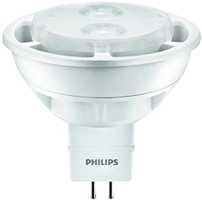 | Philips LED 20W, EEK A+, GU5.3, Warm White (2700 Kelvin) | 8718696475782 | 2,279 | € 1.40 | € 3,190.60
 | Philips LEDclassic 25 W, E14, Warm White (2700K) | 8718696573891 | 2,249 | € 1.40 | € 3,148.60
 | Philips LED, LED-light Matt, 7W (60 W) | 8718696472187 | 1,823 | € 1.70 | € 3,099.10
 | LED 40W E27 WW 230V R63 36D ND SRT4 | 8718696578551 | 1,216 | € 1.60 | € 1,945.60
 | LED 60W E14 WW 230V R50 36D DIM SRT4 | 8718696578476 | 988 | € 1.70 | € 1,679.60
 | Philips LED 25W, EEK A+, E14, Warm White | 8718696454718 | 1,251 | € 1.70 | € 2,126.70
 | Philips LED 35W, EEK A+, GU10, White (3000 Kelvin) | 8718696483763 | 1,220 | € 1.60 | € 1,952.00
 | Philips LED 60 W, EEK A+, E27, Warm White (2700 Kelvin) | 8718291717041 | 113 | € 2.00 | € 226.00
 | Philips LED 25W, EEK A+, E27, Warm White (2700 Kelvin) | 8718696454756 | 918 | € 1.70 | € 1,560.60
 | LED 10W G4 WW 12V ND SRT4 | 8718696578100 | 409 | € 1.60 | € 654.40
 | Philips LED 40 W, E14, Nartual White (4000K) | 8718696543580 | 515 | € 1.70 | € 875.50
 | Philips LED 40 W, EEK A+, E27, Warm White (2700 Kelvin) | 8718696515792 | 429 | € 2.00 | € 858.00
 | Philips LEDclassic 40 W, EEK A++, E27, Warm White (2700 Kelvin) | 8718696517536 | 392 | € 2.00 | € 784.00
 | Philips Bulb 8718696518113 – LED light (Warm White, White, A +, 220 V, 30 mA, 220 – 240) | 8718696518113 | 244 | € 1.60 | € 390.40
 | Philips LEDclassic 40 W, E14, Warm White (2700K) | 8718696587317 | 237 | € 1.70 | € 402.90
 | Philips LEDclassic 40W, E14, Warm White (2700 Kelvin), 470 Lumen, Candle, Double Pack | 8718696751367 | 112 | € 2.70 | € 302.40
 | Philips LEDclassic 25W, E14, Warm White (2700 Kelvin), 250 Lumen | 8718696517574 | 103 | € 1.80 | € 185.40
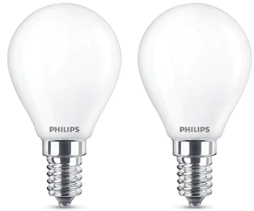 | Philips LEDclassic 40W, E14, Warm White (2700 Kelvin), 470 Lumen, Double Pack | 8718696751411 | 149 | € 2.90 | € 432.10
 | Philips LED light E14 (40 Watt) E27 2700 Kelvin | 8718291763895 | 60 | € 1.90 | € 114.00
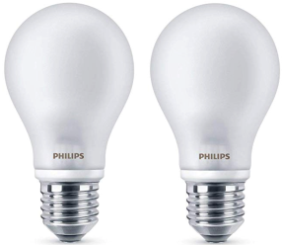 | Philips LEDclassic light 40 W, E27, Warm White (2700K), 470 Lumen, Double Pack | 8718696422328 | 51 | € 2.70 | € 137.70
 | Philips LED 25W, EEK A+, E14, Warm White (2700 Kelvin), 250 Lumen | 8718696454695 | 46 | € 1.90 | € 87.40
 |  |  | 21,524 |  | € 36,628.70

